Compare Annual Visitation
Compare Annual Visitation: 1980 to 2023

This report will not correctly export to CSV. Please export to Excel, Word, or PDF if you wish to save this report.

 | 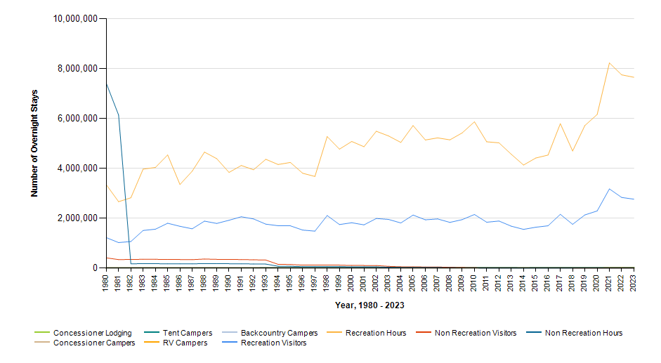

 |  | Year | Concessioner Lodging | Concessioner Campers | Tent Campers | RV Campers | Backcountry Campers | Recreation Visitors | Recreation Visitor Hours | Non Recreation Visitors | Non Recreation Visitor Hours
 |  | 2023 | 0 | 0 | 24,360 | 12,540 | 0 | 2,765,892 | 7,657,687 | 3,943 | 1,968
 |  | 2022 | 0 | 0 | 22,460 | 11,039 | 0 | 2,834,180 | 7,755,716 | 3,943 | 1,968
 |  | 2021 | 0 | 0 | 21,474 | 7,917 | 0 | 3,177,210 | 8,234,659 | 3,943 | 1,968
 |  | 2020 | 0 | 0 | 18,572 | 4,765 | 0 | 2,293,106 | 6,164,879 | 3,943 | 1,968
 |  | 2019 | 0 | 0 | 16,316 | 6,468 | 0 | 2,134,285 | 5,721,279 | 4,054 | 2,024
 |  | 2018 | 0 | 0 | 13,308 | 4,598 | 0 | 1,756,079 | 4,700,315 | 5,701 | 2,851
 |  | 2017 | 0 | 0 | 20,082 | 4,885 | 0 | 2,158,471 | 5,796,301 | 5,253 | 2,627
 |  | 2016 | 0 | 0 | 16,716 | 3,790 | 0 | 1,698,223 | 4,536,913 | 5,253 | 2,627
 |  | 2015 | 0 | 0 | 14,746 | 4,089 | 0 | 1,640,195 | 4,418,234 | 5,253 | 2,627
 |  | 2014 | 0 | 0 | 11,643 | 3,655 | 0 | 1,553,372 | 4,136,390 | 5,253 | 2,627
 |  | 2013 | 0 | 0 | 14,051 | 4,014 | 0 | 1,681,695 | 4,569,298 | 5,253 | 2,627
 |  | 2012 | 0 | 0 | 16,538 | 3,170 | 0 | 1,889,381 | 5,026,362 | 5,253 | 2,627
 |  | 2011 | 0 | 0 | 17,978 | 4,845 | 0 | 1,840,513 | 5,069,490 | 5,585 | 2,792
 |  | 2010 | 0 | 0 | 19,065 | 4,375 | 0 | 2,150,345 | 5,870,781 | 15,261 | 7,628
 |  | 2009 | 0 | 0 | 18,690 | 4,241 | 0 | 1,944,568 | 5,424,751 | 21,447 | 10,723
 |  | 2008 | 0 | 0 | 18,501 | 4,503 | 0 | 1,833,596 | 5,147,366 | 29,957 | 14,982
 |  | 2007 | 0 | 0 | 17,323 | 3,974 | 0 | 1,972,344 | 5,226,674 | 45,693 | 22,844
 |  | 2006 | 0 | 0 | 16,597 | 3,742 | 0 | 1,938,132 | 5,141,754 | 46,173 | 23,085
 |  | 2005 | 0 | 0 | 19,685 | 3,928 | 0 | 2,127,336 | 5,719,434 | 51,352 | 25,675
 |  | 2004 | 0 | 0 | 22,819 | 6,858 | 0 | 1,810,330 | 5,042,769 | 54,473 | 27,235
 |  | 2003 | 0 | 0 | 17,419 | 5,494 | 0 | 1,953,449 | 5,303,674 | 70,986 | 35,493
 |  | 2002 | 0 | 0 | 19,121 | 5,183 | 0 | 1,989,941 | 5,491,925 | 102,930 | 51,465
 |  | 2001 | 0 | 0 | 16,961 | 4,607 | 0 | 1,735,404 | 4,870,023 | 104,904 | 52,452
 |  | 2000 | 0 | 0 | 18,997 | 5,348 | 0 | 1,820,228 | 5,082,487 | 104,904 | 52,452
 |  | 1999 | 0 | 0 | 17,713 | 4,534 | 0 | 1,748,047 | 4,772,764 | 118,260 | 59,130
 |  | 1998 | 0 | 0 | 18,991 | 4,346 | 0 | 2,108,789 | 5,279,848 | 118,260 | 59,130
 |  | 1997 | 0 | 0 | 15,674 | 4,538 | 0 | 1,483,782 | 3,677,662 | 118,260 | 59,130
 |  | 1996 | 0 | 0 | 13,157 | 3,720 | 0 | 1,526,166 | 3,805,775 | 118,260 | 59,130
 |  | 1995 | 0 | 0 | 12,940 | 3,315 | 0 | 1,696,488 | 4,240,070 | 145,639 | 72,822
 |  | 1994 | 0 | 0 | 10,796 | 3,478 | 0 | 1,699,958 | 4,157,455 | 149,833 | 74,918
 |  | 1993 | 0 | 0 | 8,554 | 2,691 | 0 | 1,763,094 | 4,366,830 | 323,321 | 161,665
 |  | 1992 | 0 | 0 | 2,260 | 747 | 0 | 1,973,098 | 3,946,196 | 333,877 | 166,943
 |  | 1991 | 0 | 0 | 0 | 0 | 0 | 2,058,801 | 4,117,602 | 342,488 | 171,245
 |  | 1990 | 0 | 0 | 0 | 0 | 0 | 1,919,901 | 3,839,802 | 348,635 | 174,321
 |  | 1989 | 0 | 0 | 0 | 0 | 0 | 1,791,902 | 4,391,010 | 350,404 | 175,203
 |  | 1988 | 0 | 0 | 0 | 0 | 0 | 1,885,376 | 4,655,238 | 362,828 | 181,418
 |  | 1987 | 0 | 0 | 0 | 0 | 0 | 1,576,238 | 3,890,001 | 338,786 | 169,396
 |  | 1986 | 0 | 0 | 0 | 0 | 0 | 1,676,583 | 3,353,166 | 344,016 | 172,007
 |  | 1985 | 0 | 0 | 0 | 0 | 0 | 1,800,326 | 4,540,235 | 344,016 | 172,009
 |  | 1984 | 0 | 0 | 0 | 0 | 0 | 1,560,428 | 4,038,310 | 353,190 | 176,591
 |  | 1983 | 1,491 | 0 | 0 | 0 | 0 | 1,510,630 | 3,971,441 | 352,225 | 176,099
 |  | 1982 | 2,526 | 0 | 0 | 0 | 0 | 1,066,573 | 2,822,602 | 347,695 | 173,844
 |  | 1981 | 2,635 | 0 | 0 | 0 | 0 | 1,023,436 | 2,665,205 | 341,275 | 6,142,950
 |  | 1980 | 0 | 0 | 0 | 0 | 0 | 1,222,874 | 3,344,867 | 411,750 | 7,411,500

